Eryone Mischtabelle
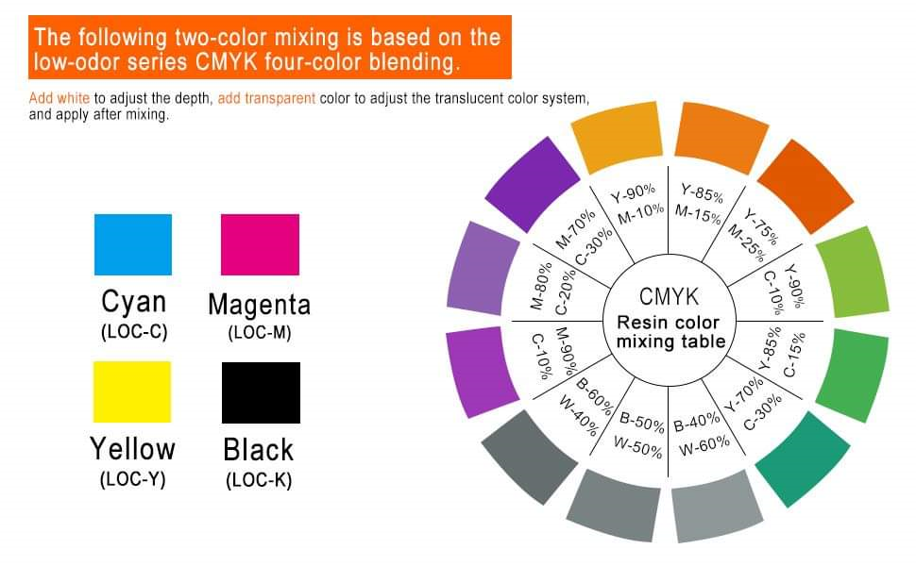
Rezept Nr. | Cyan | Magenta | Yellow | Black | White | Grey | Skin | Clear | Result | weight / g | in ml | empty eryone 500ml bottle
1 | 54.33 g | 54.46 g | 83.95 g |  |  |  |  |  | grey green (dark) | 192.74 g | 175.22 ml | 77.50 g
 | 28.2% | 28.3% | 43.6%
3 (Eryone Rez.) |  | 12.58 g | 37.29 g |  |  |  |  |  | orange fire | 49.87 g | 45.34 ml
 |  | 25.2% | 74.8%
4 | 21.15 g | 33.66 g | 59.73 g |  |  |  |  |  | brown grey | 114.54 g | 104.13 ml | Rezepte |  |  | #REF!
 | 18.5% | 29.4% | 52.1%
5 | 21.15 g | 82.92 g | 105.04 g |  |  |  |  |  | Dirt Brown | 209.11 g | 190.10 ml | c13 m5 y20 | olivgrün
 | 10.1% | 39.7% | 50.2% |  |  |  |  |  |  |  |  | c5 m17 y20 | chocolate brown | untested
6 | 87.16 g |  |  | 24.16 g |  |  |  |  | Nightblue | 111.32 g | 101.20 ml
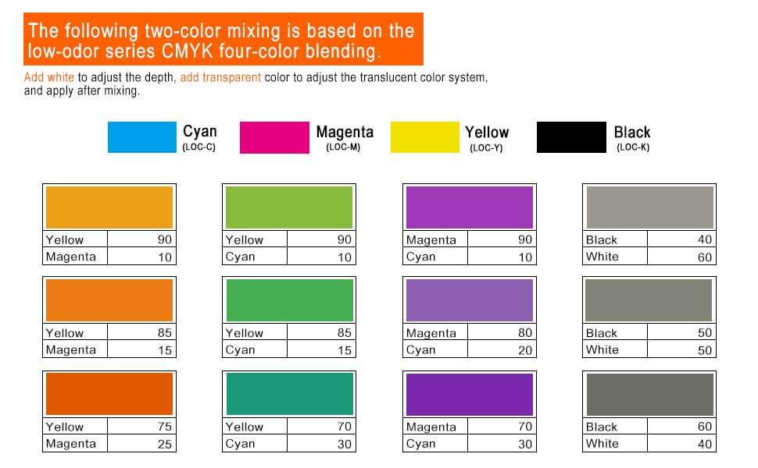
 | 78.3% |  |  | 21.7%
7 |  | 84.61 g | 40.38 g | 9.51 g |  |  |  |  | Dead Pink | 134.50 g | 122.27 ml
 |  | 62.9% | 30.0% | 7.1%
8 |  |  |  | 51.58 g |  | 75.91 g |  |  | Iron grey | 127.49 g | 115.90 ml
 |  |  |  | 40.5% |  | 59.5%
9 |  |  |  | 60.00 g |  | 40.00 g |  |  | Black Metal | 100.00 g | 90.91 ml
 |  |  |  | 60.0% |  | 40.0%
10 |  | 26.11 g | 88.30 g | 26.04 g |  |  |  |  | Wood Brown | 140.45 g | 127.68 ml
 |  | 18.6% | 62.9% | 18.5%
11 | 24.57 g | 9.92 g | 93.85 g |  |  |  |  |  | Orc Green | 128.34 g | 116.67 ml
 | 19.1% | 7.7% | 73.1%
12 |  | 33.45 g | 8.33 g | 10.23 g |  |  |  | 103.81 g | blood clear!? | 155.82 g | 141.65 ml
 |  | 21.5% | 5.3% | 6.6% |  |  |  | 66.6%
13 |  | 71.98 g | 81.56 g | 10.42 g |  |  |  |  | Hellboy Red | 163.96 g | 149.05 ml
 |  | 43.9% | 49.7% | 6.4%

Template | 0.00 g | 0.00 g | 0.00 g | 20.00 g | 0.00 g | 0.00 g | 0.00 g | 0.00 g | CALCULATOR | 20.00 g | 18.18 ml
 | 0.0% | 0.0% | 0.0% | 100.0% | 0.0% | 0.0% | 0.0% | 0.0%

